VSU
Note: This tool is intended to identify potential issues experienced during Start-up which ultimately cause delays. |  |  | VSU Risk Assessment Tool

Project Name: |  | HOMO HPP Water Recovery System |  |  |  |  | Assessment Date/Time:
Contractor |  | EDP |  |  |  |  | Start Date:
PO No. |  |  |  |  |  |  | End Date:

No. | Specific Activity |  | Location |  | Identified Risk causing VSU delays | Controls ( Startup Checklists, Procedures, etc ) |  | Remarks ( Check if needed )

x
1 | Installation of pipings with polyflo fittings and support Homoginizer Line B |  | Wet Process Homogenizer |  | M.01, M.02,& M04 | Check Startup checklist |  | Checklist Controls
2 | Installation of pipings with polyflo fittings and support Homoginizer Line C |  | Wet Process Homogenizer |  | M.01, M.02,& M04 | Check Startup checklist |  | Checklist Controls
3 | Installation of piping and piping support from Homoginizer Line C to Buffer Tank |  | Wet Process Homogenizer to Open Area @ Inline lab |  | M.01, M.02 & M.03 | Check Startup checklist |  | Checklist Controls
4 | Pipe retrofitting fromTank outlet to Pump |  | Open Area @ Inline lab |  | M.01, M.02 & M.03 | Check Startup checklist |  | Checklist Controls
5 | Tank retro fitting |  | Open Area @ Inline lab |  | M.01, M.02 & M.03 | Check Startup checklist |  | Checklist Controls
6 | Installation of pump |  | Open Area @ Inline lab |  | M.01 | Check Startup checklist |  | Checklist Controls
7 | Pipe retrofitting fromTank outlet to Pump |  | Open area @ Inline lab to Rodeo Cooling Tower |  | M.01, M.02 & M.03 | Check Startup checklist |  | Checklist Controls
8 | Installation of pipings and piping supports |  | Open area @ Inline lab to Rodeo Cooling Tower |  | M.01, M.02 & M.03 | Check Startup checklist |  | Checklist Controls
 |  |  |  |  |  |  |  | Checklist Controls
 |  |  |  |  |  |  |  | Checklist Controls
 |  |  |  |  |  |  |  | Checklist Controls
 |  |  |  |  |  |  |  | Checklist Controls
 |  |  |  |  |  |  |  | Checklist Controls
 |  |  |  |  |  |  |  | Checklist Controls
 |  |  |  |  |  |  |  | Checklist Controls

Tick: Identified Risk causing VSU delays

 | Mechanical |  |  | Electrical |  |  | Instrumentation & Automation
 | M.01 External Leaks ( Welds, Flanges, Valves, etc ) |  |  | E.01 No Power ( Mis-Tapping, Disconnections, … ) |  |  | IA.01 No/wrong Signal ( Mis-Tapping, Disconnections,…)
 | M.02 Fouled Lines ( Dirt, Debris, etc ) |  |  | E.02 Wrong Rotation |  |  | IA.02 Incorrect Sequence / Response
 | M.03 Presence of Foreign Body ( inside Pipes, equipt ) |  |  | E.03 Burnt / Malfunctioned Components |  |  | IA.03 Insufficent Interlocks
 | M.04 No, Insufficent Flow of Utilities ( Steam, Water, etc ) |  |  | E.04 … |  |  | IA.04 Inaccurate Data ( No calibration, etc )
 | M.05 Excessive Vibration |  |  | E.05 … |  |  | IA.05 …
 | M.06 Stucked Moving Parts |  |  | E.06 … |  |  | IA.06 …

 |  | Performing Authority |  | Approved by Project Engineer |  |  | Noted by Project Head
Date & Time: |  | October. 31, 2023
Signature
Name: |  | Aubrey L. Camposano |  | John Ray U. Santander |  |  | Mark Anthony A. Pana

Checklist HLB
Nestle Cagayan de Oro Factory | Proposed HOMO HPP Water Recovery System Trial Start-up Checklist |  |  |  |  |  |  |  | CDOF-CP-F-XX-XXX
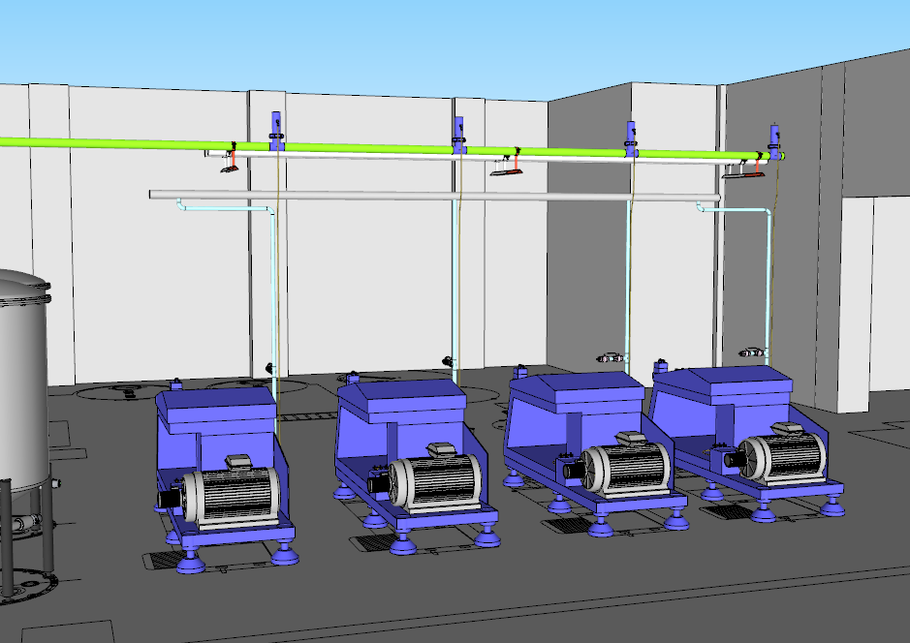
2
A

1
C
B
D

HOMOGENIZER Line B (put check if done in space provided)
Requirement | 1 | 2 | A | B | C | D | E | Remarks
1. Piping alignment (horizontal. Alignment using level bar must be 5° descending going from Homoginizer Line B to Homoginizer Line C)
2. Piping alignment (vertical. Alignment using level bar)
3. Check for all union installation if with gasket and alignment
4. Tighten SMS Union Connection and Check gasket using spanner
5. Check reducers, elbow piping alignment & pipe support (full and hygienic welding)
6. Perform water run to check leakages
7. Check for the piping connections if correct tapping points
8. Check pipe clamp and support if within standard
9.Check Polyflo fittings if tightened and installed properly for leak test
NOTES: Color pink represent the proposed trial piping set-up
Performed By: |  |  | Assessed and Validated By: |  |  |  |  | Noted By:

 |  |  | ALCamposano |  |  |  |  | JRU Santander
EDP Representative |  |  | TBMC Site Engineer |  |  |  |  | NPI Project Engineer

Checklist HLC
Nestle Cagayan de Oro Factory | Proposed HOMO HPP Water Recovery System Trial Start-up Checklist |  |  |  |  |  |  |  | CDOF-CP-F-XX-XXX
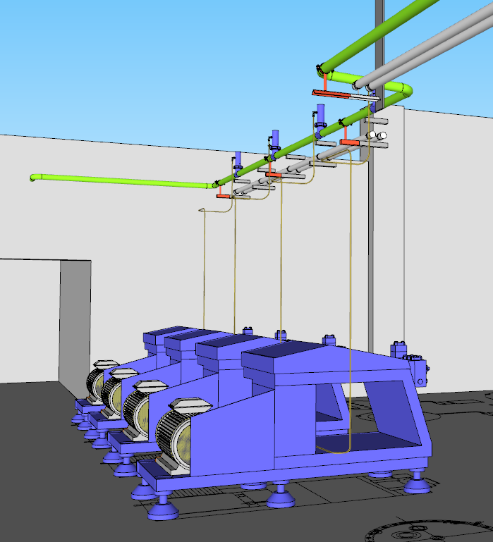
2
A
B
1
C

D

E

HOMOGENIZER Line C (put check if done in space provided)
Requirement | 1 | 2 | A | B | C | D | E | Remarks
1. Piping alignment (horizontal. Alignment using level bar must be 5° descending going from Homoginizer Line B to Homoginizer Line C)
2. Piping alignment (vertical. Alignment using level bar)
3. Check for all union installation if with gasket and alignment
4. Tighten SMS Union Connection and Check gasket using spanner
5. Check elbow piping alignment & pipe support (full and hygienic welding)
6. Perform water run to check leakages
7. Check for the piping connections if correct tapping points
8. Check pipe clamp and support if within standard
9.Check Polyflo fittings if tightened and installed properly for leak test
NOTES: Color pink represent the proposed trial piping set-up
Performed By: |  |  | Assessed and Validated By: |  |  |  |  | Noted By:

 |  |  | ALCamposano |  |  |  |  | JRU Santander
EDP Representative |  |  | TBMC Site Engineer |  |  |  |  | NPI Project Engineer

Checklist HT
2
1
Nestle Cagayan de Oro Factory | Proposed HOMO HPP Water Recovery System Trial Start-up Checklist
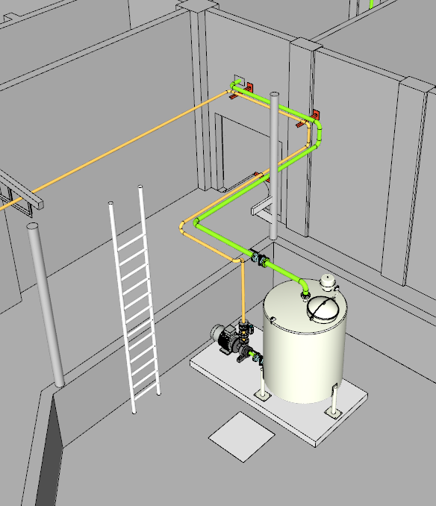

D
A

C

B

HOMOGENIZER Buffer Tank (put check if done in space provided)
Requirement | 1 | 2 | A | B | C | D | REMARKS
1. Piping alignment (horizontal. Alignment using level bar must be 5° going from Homoginizer Line B to Homoginizer Line C)
2. Check for all union installation if with gasket and alignment
3. Tighten SMS Union Connection and Check gasket using spanner
4. Check reducers, elbow piping alignment & pipe support (full and hygienic welding)
5. Perform water run to check leakages
6. Check for the piping connections if correct tapping points
9.Check Polyflo fittings if tightened and installed properly for leak test
NOTES: Color pink represent the proposed trial piping set-up
Performed By: |  |  | Assessed and Validated By:

 |  |  |  | ALCamposano |  |  | JRU Santander
EDP Representative |  |  | TBMC Site Engineer |  |  |  | NPI Project Engineer

Checklist RC
Nestle Cagayan de Oro Factory | Proposed HOMO HPP Water Recovery System Trial Start-up Checklist
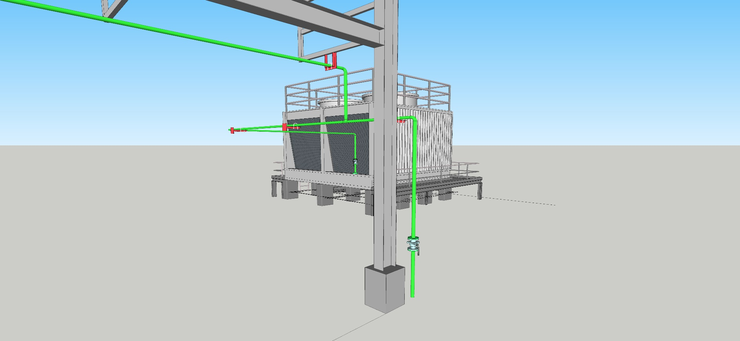

A

B

C

D

HOMOGENIZER Buffer Tank (put check if done in space provided)
Requirement | A | B | C | D | REMARKS
1. Piping alignment (horizontal/vertical) Alignment using level bar from Buffer Tank to Rodeo Cooling Tower
2. Tighten Flange/SMS Union/Clamp Connection and Check gasket using spanner
2. Check reducers, elbow piping alignment & pipe support (full and hygienic welding)
4. Perform water run to check leakages
5. Check for the piping connections if correct tapping points
NOTES: Color pink represent the proposed trial piping set-up
Performed By: |  |  | Assessed and Validated By:

 |  |  |  | ALCamposano |  | JRU Santander
EDP Representative |  |  | TBMC Site Engineer |  |  | NPI Project Engineer

RPT Worksheet
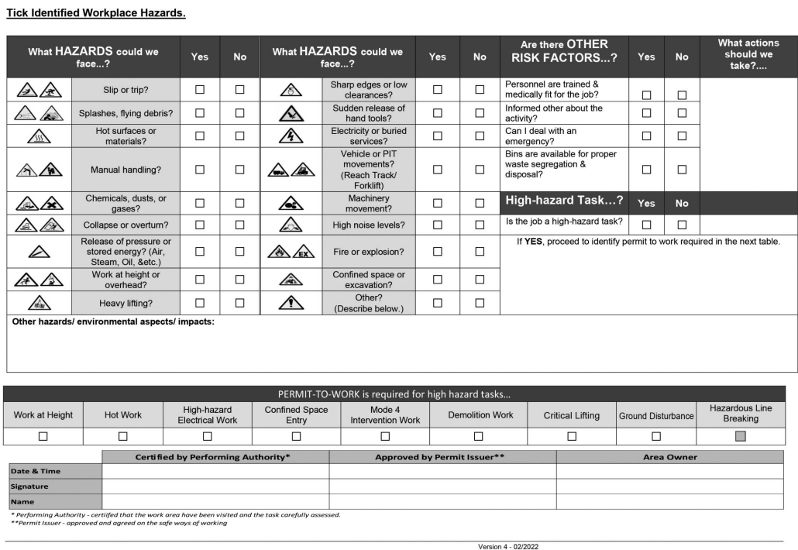
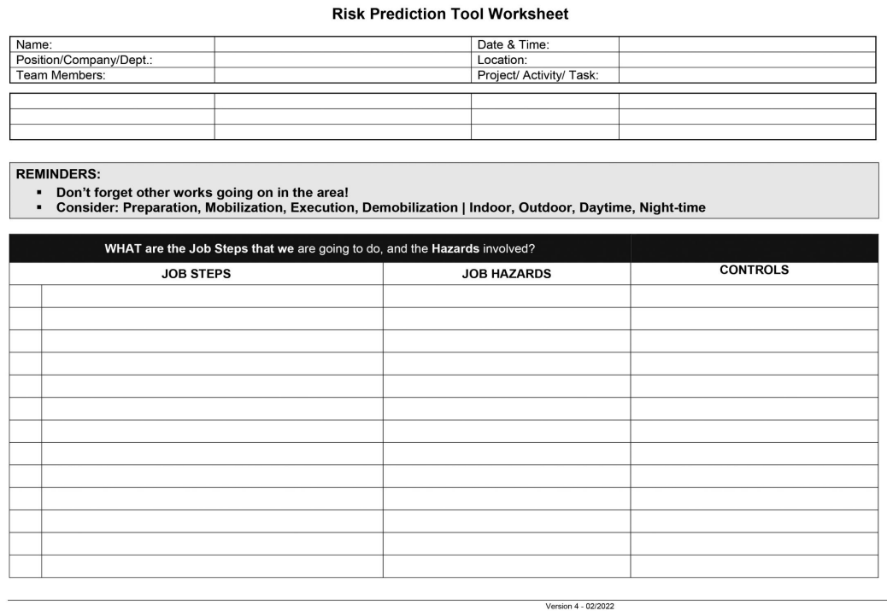
EMAIL USE DISCLAIMER

